Cover Sheet
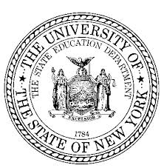 Collegiate Science and Technology Entry Program & Science and Technology Entry Program 2023 – 2024 Budget Narrative
Project Operation Dates: July 1, 2023 - June 30, 2024
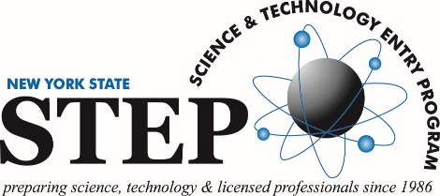 | 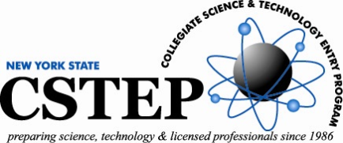 New York State Education Department Office of Postsecondary Access, Support and Success 89 Washington Ave, EBA 960 Albany, NY 12234
Institution Name:

Project Name:
Address 1:
Address 2:
City, State and Zip Code:

Director (required): |  | Contact #2 (optional): | Contact #3 (optional):

email address: |  | email address: | email address:

telephone number: |  | telephone number: | telephone number:

fax number: |  | fax number: | fax number:

